CENTRIFUGAL
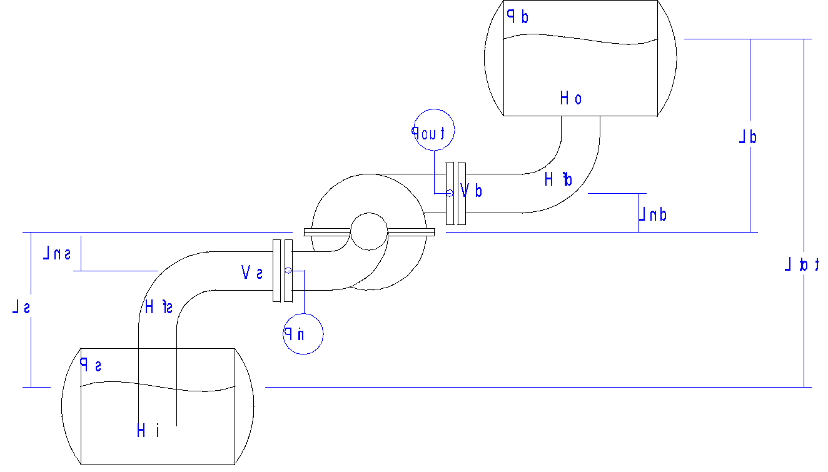
PUMP CALCULATION PART 1
 |  |  |  |  |  |  |  |  |  |  |  |  |  |  |  |  | SYSTEM CHARACTERISTICS
 | SINGLE STAGE CENTRIFUGAL PUMP CALCULATION |  |  |  |  |  |  |  |  |  |  |  |  | Version | 1.001 | Nov-97 | Q | Ptot | Ltot | Ftot | Htot
SYSTEM CURVE
 | (Clean Water Use) |  |  |  |  |  |  |  |  |  |  |  |  |  |  |  | 215 | 0.00 | -0.008 | 54.13 | 54.12
 | Static Suction Lift = Ls |  |  |  | Pump Suction Diam = Ds
 | Static Discharge Head = Ld |  |  |  | Pump Discharge Diam = Dd |  |  |  |  |  |  |  |  |  |  |  | 0 | 0.00 | -0.008 | 0 | -0.01
 | Total Static Head Ltot = Ls + Ld |  |  |  |  |  |  |  |  |  |  |  |  |  |  |  | 26.875 | 0.00 | -0.008 | 0.8457568807 | 0.84
 | Friction Head = Hfs and Hfd |  |  |  |  |  |  |  |  |  |  |  |  |  |  |  | 53.75 | 0.00 | -0.008 | 3.383027523 | 3.38
 | Inlet and Discharge Nozzle Losses = Hi and Ho |  |  |  |  |  |  |  |  |  |  |  |  |  |  |  | 80.625 | 0.00 | -0.008 | 7.611811927 | 7.60
 | Velocity Head = V2/2g [often included in pump curves] |  |  |  |  |  |  |  |  |  |  |  |  |  |  |  | 107.5 | 0.00 | -0.008 | 13.53211009 | 13.52
 | Pump Suction and Discharge Nozzle Elevations = Lns and Lnd |  |  |  |  |  |  |  |  |  |  |  |  |  |  |  | 134.375 | 0.00 | -0.008 | 21.14392202 | 21.14
 | Suction Pressure Head = Ps [if open tank = 0] |  |  |  |  |  |  |  |  |  |  |  |  |  |  |  | 161.25 | 0.00 | -0.008 | 30.44724771 | 30.44
 | Discharge Pressure Head = Pd [if open tank = 0] |  |  |  |  |  |  |  |  |  |  |  |  |  |  |  | 188.125 | 0.00 | -0.008 | 41.44208716 | 41.43
 |  |  |  |  |  |  |  |  |  |  |  |  |  |  |  |  | 215 | 0.00 | -0.008 | 54.12844037 | 54.12
 |  |  |  |  |  |  |  |  |  |  |  |  |  |  |  |  | 241.875 | 0.00 | -0.008 | 68.50630734 | 68.50
 |  |  |  |  |  |  |  |  |  |  |  |  |  |  |  |  | 268.75 | 0.00 | -0.008 | 84.57568807 | 84.57
 |  |  |  |  |  |  |  |  |  |  |  |  |  |  |  |  | 295.625 | 0.00 | -0.008 | 102.3365826 | 102.33
 |  |  |  |  |  |  |  |  |  |  |  |  |  |  |  |  | 322.5 | 0.00 | -0.008 | 121.7889908 | 121.78
 |  |  |  |  |  |  | Pout = Pd + Ld + Hfd + Ho - Lnd = Hd - Vd2/2g - Lnd |  |  |  |  |  |  |  |  |  | 349.375 | 0.00 | -0.008 | 142.9329128 | 142.92
 |  |  |  |  |  |  |  |  |  |  |  |  |  |  |  |  | 376.25 | 0.00 | -0.008 | 165.7683486 | 165.76
 |  |  |  |  |  |  |  |  |  |  |  |  |  |  |  |  | 403.125 | 0.00 | -0.008 | 190.2952982 | 190.29
 |  |  |  |  |  | Pin = Ps - Ls - Hfs - Hi + Lns = - Hs - Vs2/2g + Lns |  |  |  |  |  |  |  |  |  |  | 430 | 0.00 | -0.008 | 216.5137615 | 216.51

 |  |  |  |  |  |  |  |  |  |  |  |  |  |  |  |  | 215 |  |  |  | 55.53

 |  |  |  |  | Total Dynamic Suction Lift |  |  | Hs = Ls - Ps + Hfs + Hi - Vs2/2g |  |  |  | Dynamic Suction Lift (req'd) |  |  | Hs(r) = Ls - Ps + Hfs + Hi |  | WATER VAPOUR PRESSURE
 |  |  |  |  | Total Dynamic Discharge Head |  |  | Hd = Ld + Pd + Hfd + Ho + Vd2/2g |  |  |  | Dynamic Discharge Head (req'd) |  |  | Hd(r) = Ld + Pd + Hfd + Ho |  | degC | kPa(abs)
 |  |  |  |  | Total Dynamic Head |  |  | Htot = Hd + Hs |  |  |  | Dynamic Head (req'd) |  |  | Htot(r) = Hd(r) + Hs(r) |  | 0 | 0.6
 |  |  |  |  |  |  |  |  |  |  |  | NPSHa(req'd) |  |  | NPSHa(r) = NPSHa - Vs2/2g |  | 15 | 1.7
 |  | Closed Tank: | NPSHa(abs) = Ps + Patm - Ls - Hfs - Hi + Vs2/2g - Pvap [where Pvap = Vapour Pressure(abs)] |  |  |  |  |  |  |  |  | Provide this to pump vendor and use on pump curves |  |  |  |  | 25 | 3.2
 |  | Open Tank: | or = Pamb - Ls - Hfs - Hi + Vs2/2g - Pvap [NPSHa should exceed NPSHr by at least 0.5 m] |  |  |  |  |  |  |  |  | where velocity head is included in vendors pump curves. |  |  |  |  | 30 | 4.25
 |  |  |  |  |  |  |  |  |  |  |  |  |  |  |  |  | 40 | 7.38
 | SYSTEM PROPERTIES |  |  |  |  |  | SYSTEM CHARACTERISTICS |  |  |  |  |  | PUMP SELECTION (Nominal) |  |  |  | 50 | 12.5
 | Q | 215 | l/sec | 0.2150 | m3/sec |  | Patm | 10.329 | m | 101.325 | kPa(abs)
 | SG | 1 | D | 1000 | kg/m3 |  | Pamb | 9.980 | m | 97.900 | kPa(abs) |  | Pump Speed |  | 1483 | rpm | 120 | 198.5
 | Tfluid |  |  | 16 | oC |  | Vs | 0.978 | m | 4.38 | m/sec |  |  |  |  |  | 140 | 361.4
 | Pvap | 0.19 | m(abs) | 1.9 | kPa(abs) |  | Pinlet | -2.669 | m | -26.180 | kPa(g) |  | Impeller Diam |  | 0.449 | m
 | Ps | 0.00 | m | 0 | kPa(g) |  | Hs | 1.991 | m | 19.531 | kPa |  | Pump Head |  | 61.95 | m
 | Ls | 0.930 | m | 9.1 | kPa |  | Hs(r) | 2.969 | m | 29.123 | kPa
 | Hi | 0.000 | m | 0 | kPa |  | Vd | 2.387 | m | 6.84 | m/sec |  | Hydraulic Power |  | 117.12 | kW | NOTES:
 | Hfs | 2.039 | m | 20 | kPa |  | Poutlet | 51.452 | m | 504.741 | kPa(g) |  | Pump Efficiency |  | 83.8% |  | For Hfs and Hfd try 50 kPa/100m
 | Ds | 0.250 | m As | 0.0491 | m2 |  | Hd | 53.539 | m | 525.216 | kPa |  | Motor Power |  | 139.76 | kW
 | Lns | 0.3 | m | 2.943 | kPa |  | Hd(r) | 51.152 | m | 501.798 | kPa |  |  |  |  |  | Select Ds and Dd for Vs and Vd around 3 m/sec
 | Pd | 0.00 | m | 0 | kPa(g) |  |  |  |  |  |  |  | Specific Speed |  | 1069
 | Ld | -0.938 | m | -9.20178 | kPa |  | Htot | 55.53 | m | 544.75 | kPa |  |  |  |  |  | For small pumps try 60% efficiency
 | Ho | 0.000 | m | 0 | kPa |  | Htot(r) | 54.12 | m | 530.92 | kPa |  | NPSHr |  | 2 | m
 | Hfd | 52.090 | m | 511 | kPa |  |  |  |  |  |  |  | Normally approx. 3% Htot = |  | 1.666 | m
 | Dd | 0.200 | m Ad | 0.0314 | m2 |  | NPSHa | 7.79 | m(abs) | 76.47 | kPa(g)
 | Lnd | -0.3 | m | -2.943 | kPa |  | NPSHa(r) | 6.82 | m(abs) | 66.88 | kPa(g)

